11
11 | Incomplete |  | B03-LA-002
Points
50

 | This question consists of five parts.

 | Part 1. | Describe what is meant by “binary classification”.

 | Part 2. | Describe why is it not preferred to fit a binary response variable with a linear regression.

 | Part 3. | Describe the “odds ratio” and its relationship to logistic regression.

 | Part 4. | The figure below shows the results of a logistic regression model that predicts the odds of survival
 |  | for passengers on the Titanic.

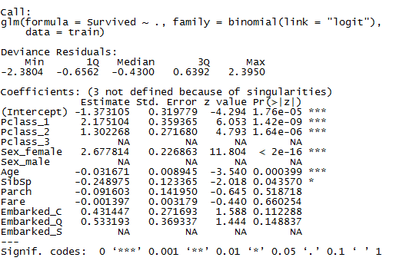

 |  | Survived - 1 = Yes, 0 = No
 |  | Pclass - describes the passenger class. Categorical variable with 3 levels.
 |  | Sex – gender of the passenger.
 |  | Age – age of passenger
 |  | SibSp – number of siblings/spouses aboard
 |  | Parch – number of parents/children aboard
 |  | Fare – passenger fare in British Pounds
 |  | Embarked – Port of Embarkation (C = Cherbourg, Q=Queenstown, S=Southampton)

 |  | Compare the odds of survival for female passengers compared to male passengers.

 | Part 5. | Using the logistic model above, determine the predicted survival probability for a Titanic passenger
 |  | with the following characteristics:

 |  | Variable |  | Value
 |  | PClass |  | 1
 |  | Sex |  | Male (base level)
 |  | Age |  | 35
 |  | SibSp |  | 0
 |  | Parch |  | 0
 |  | Fare |  | 50
 |  | Embarked |  | S

A) | You are estimated a 1/0 indicator

B) | Linear regression will have predictions outside of this range (which does not make sense)

C) | Odds ratio = p / (1 - p)
 | In a logistic regression the link function is the log odds i.e. log(p / (1-p))

D) |  | 14.553245105 | times more likely to survive

E) | p / (1 - p) | 0.68637167341

 | p | 0.40701091238

